Weekly Progress Report
MODON - Weekly Progress Report - Construction Projects |  |  |  |  |  |  |  |  |  |  |  |  |  |  |  |  |  |  |  |  |  |  |  |  |  |  |  |  |  |  | Data Date |  | 28-Sep-26
Contract General Information |  |  |  |  |  | Key Dates |  |  |  |  |  | Cost Summary (SR) |  |  |  |  |  |  |  | Performance Summary |  |  |  |  |  | Project Scope
Project Name | Infrastructure Network Development Project in Sudair City for Industry and Business - Phase Two - Part Two |  |  |  |  | Contract Award | 7-Dec-25 | Contract Award (Hijri) | 16/6/1447 | Revised Completion | 0 | Original Contract Value |  | 168,629,520 |  | O&M Value |  | 0 |  | Plan Value | 32.07% | Phys. Plan Value | 35.66% | Quality Score | 81.3% | The scope of work of the project includes the implementation of the entire works subject to the contract, including the following: Road and paving works, Potable Water Network Works, Treatment Water Network Works, Sewer network works, Rainwater drainage network works, Irrigation and landscaping network works, Electrical network works including (medium voltage, communications, road lighting), Camera surveillance work
Project ID | SUD1-02-011 |  | Stage | Construction |  | Contract Sign | 29-Dec-25 | Contract Sign (Hijri) | 9/7/1447 | Committed Completion | 5-Jul-27 | Revised Contract Value |  | 0 |  | Revised O&M Value |  | 0 |  | Earn Value | 43.38% | Phys. Earn Value | 39.23% |  | ¢¢¢¢¢ ¢¢¢££
Contractor | Technical Dvelopment Co. "TDC" |  | Status | Active |  | Site Handover | 6-Jan-26 | Site Handover (Hijri) | 17/7/1447 | Forecast Completion | 5-Jul-27 | Estimate At Completion Value |  | 168,629,520 |  | Submitted Invoices (Gross Value) |  | 16,773,813 |  | Variance | 11.31% | Variance | 3.57% | Safety Score | 81.8%
Consultant | Saudi Arabia Consulting Engineering Company "EGIS" |  | Modon PM | Engr.Zyad Al Shabat |  | Original Completion | 5-Jul-27 | Original Completion (Hijri) | 30/1/1449 | Variance | 0 | Potential Changes |  | 0 |  | Total Deduction |  | (720,596) |  | SPI | 1.353 | SPI | 1.100 |  | ¢¢¢¢¢ ¢¢¢££

 | Cum. Planned % | Cum.Earned % | Variance
 | 0.0% | 0.0% | 0.0%
Mobilization | 0.0% | 0.0% | 0.0%
Engineering | 0.0% | 0.0% | 0.0%
Procurement | 0.0% | 0.0% | 0.0%
Construction | 32.1% | 43.4% | 11.3%
ROAD WORKS | 52.1% | 59.9% | 7.8%
ZONE A | 44.7% | 52.6% | 7.9%
ZONE G |  | 71.6% | 7.6%
Progress Overview
Earned Value Progress (SAR) |  |  |  |  |  |  |  |  |  |  |  |  |  | Physical Progress (Effort) |  |  |  |  |  |  |  |  |  |  |  | Earned Value Progress (%)
WBS |  | BOQ Value (SAR) | % Wt. | Weekly (SAR) |  | To Date (SAR) |  |  |  |  |  |  |  | Budgeted | % Wt. | Weekly Physical Progress |  |  |  | To Date Physical Progress
 |  |  |  | Planned | Earned | Original Plan | Planned | Earned | Original Plan % | Cum. Planned % | Cum.Earned % | Variance | SPI | (Manhours) |  | Planned | Earned | Plan % | Earned % | Planned | Earned | Plan % | Earned % | Variance | SPI
 |  | - | 0.0% | - | - | - |  | - | 0.0% |  | 0.0% |  |  |  | 0.0% | - | - | 0.0% | 0.0% | - | - | 0.0% | 0.0% | 0.0%
Mobilization |  | - | 0.0% | - | - | - | - | - | 0.0% | 0.0% | 0.0% | 0.0% |  | 34,177 | 3.0% | - | - | 0.0% | 0.0% | 34,177 | 34,177 | 100.0% | 100.0% | 0.0% | 1.00
Engineering |  | - | 0.0% | - | - | - | - | - | 0.0% | 0.0% | 0.0% | 0.0% |  | 56,962 | 5.0% | - | - | 0.0% | 0.0% | 56,962 | 53,211 | 100.0% | 93.4% | -6.6% | 0.93
Procurement |  | - | 0.0% | - | - | - | - | - | 0.0% | 0.0% | 0.0% | 0.0% |  | 148,102 | 13.0% | 1,511 | - | 1.0% | 0.0% | 143,233 | 48,418 | 96.7% | 32.7% | -64.0% | 0.34
Construction |  | 168,629,520 | 100.0% | 3,995,420 | 1,709,873 | - | 54,083,772 | 73,149,321 | 0.0% | 32.1% | 43.4% | 11.3% | 1.35 | 854,433 | 75.0% | 13,886 | 3,659 | 1.6% | 0.4% | 171,875 | 311,153 | 20.1% | 36.4% | 16.3% | 1.81
ROAD WORKS |  | 87,969,997 | 52.2% | 3,032,199 | 1,648,128 | - | 45,806,827 | 52,657,041 | 0.0% | 52.1% | 59.9% | 7.8% | 1.15 | 186,393 | 16.4% | 5,506 | 1,552 | 3.0% | 0.8% | 115,703 | 139,255 | 62.1% | 74.7% | 12.6% | 1.20
ZONE A |  | 54,469,013 | 32.3% | 2,443,662 | 421,282 | - | 24,340,936 | 28,656,488 | 0.0% | 44.7% | 52.6% | 7.9% | 1.18 | 121,795 | 10.7% | 3,080 | 544 | 2.5% | 0.4% | 74,862 | 90,010 | 61.5% | 73.9% | 12.4% | 1.20
ZONE G |  | 33,500,984 | 19.9% | 588,537 | 1,226,846 | - | 21,465,891 | 24,000,552 | 0.0% | 64.1% | 71.6% | 7.6% | 1.12 | 64,598 | 5.7% | 2,425 | 1,009 | 3.8% | 1.6% | 40,841 | 49,245 | 63.2% | 76.2% | 13.0% | 1.21
Storm Water Drainage Network |  | 25,407,829 | 15.1% | 323,771 | - | - | 5,607,921 | 9,325,845 | 0.0% | 22.1% | 36.7% | 14.6% | 1.66 | 187,421 | 16.5% | 3,091 | - | 1.6% | 0.0% | 29,500 | 75,282 | 15.7% | 40.2% | 24.4% | 2.55
ZONE A |  | 22,856,155 | 13.6% | 292,630 | - | - | 282,827 | 6,792,270 | 0.0% | 1.2% | 29.7% | 28.5% | 24.02 | 131,130 | 11.5% | 2,166 | - | 1.7% | 0.0% | 20,841 | 19,664 | 15.9% | 15.0% | -0.9% | 0.94
ZONE G |  | 2,551,674 | 1.5% | - | - | - | 282,827 | 2,533,576 | 0.0% | 11.1% | 99.3% | 88.2% | 8.96 | 56,291 | 4.9% | - | - | 0.0% | 0.0% | 8,660 | 55,618 | 15.4% | 98.8% | 83.4% | 6.42
Sewerage Network |  | 7,071,027 | 4.2% | - | - | - | 16,569 | 5,356,989 |  |  |  |  |  | 62,221 | 5.5% | 221 | - | 0.4% | 0.0% | 221 | 44,444 | 0.4% | 71.4% | 71.1% | 201.10
ZONE A |  | 4,499,744 | 2.7% |  | - | - | 8,298 | 2,912,491 |  |  |  |  |  | 40,161 | 3.5% | 85 | - | 0.2% | 0.0% | 85 | 23,456 | 0.2% | 58.4% | 58.2% | 275.95
ZONE G |  | 2,571,283 | 1.5% |  | - | - | 8,271 | 2,444,498 |  |  |  |  |  | 22,061 | 1.9% | - | - | 0.0% | 0.0% | 136 | 20,987 | 0.6% | 95.1% | 94.5% | 154.32
TSE Network |  | 4,147,696 | 2.5% |  | 13,962 | - |  | 581,492 |  |  |  |  |  | 87,808 | 7.7% | - | 455 | 0.0% | 0.5% | - | 3,248 | 0.0% | 3.7% | 3.7%
ZONE A |  | 3,158,469 | 1.9% | - | 13,090 | - | 44,969 | 518,005 | 0.0% | 16.4% | 16.4% | 0.0% | 1.00 | 64,717 | 5.7% | - | - | 0.0% | 0.0% | 1,141 | 1,995 | 1.8% | 3.1% | 1.3% | 1.75
ZONE G |  | 989,227 | 0.6% |  | 872 | - |  | 63,488 |  |  |  |  |  | 23,091 | 2.0% | - | - | 0.0% | 0.0% | - | 1,252 | 0.0% | 5.4% | 5.4%
Portable Water |  | 7,780,468 | 4.6% |  | 16,208 | - | - | 1,517,664 | 0.0% | 0.0% | 19.5% | 19.5% |  | 139,722 | 12.3% | - | 540 | 0.0% | 0.4% | - | 14,747 | 0.0% | 10.6% | 10.6%
ZONE A |  | 4,936,253 | 2.9% |  | 16,208 | - |  | 295,926 |  |  |  |  |  | 99,650 | 8.7% | - | 540 | 0.0% | 0.5% | - | 4,061 | 0.0% | 4.1% | 4.1%
ZONE G |  | 2,844,215 | 1.7% |  | - | - | - | 1,221,738 | 0.0% | 0.0% | 43.0% | 43.0% |  | 40,072 | 3.5% | - | - | 0.0% | 0.0% | - | 10,686 | 0.0% | 26.7% | 26.7%
Electrical Works |  | 20,111,193 | 11.9% |  | 23,290 | - |  |  |  |  |  |  |  | 99,033 | 8.7%
ZONE A |  | 13,562,632 | 8.0% |  |  | - |  |  |  |  |  |  |  | 63,660 | 5.6%
ZONE G |  | 6,548,561 | 3.9% |  |  | - |  |  |  |  |  |  |  | 35,373 | 3.1%
Landscape & Irrigation Works |  | 6,835,461 | 4.1% |  |  | - |  |  |  |  |  |  |  | 77,656 | 6.8%
ZONE A |  | 3,801,842 | 2.3% |  |  | - |  |  |  |  |  |  |  | 65,750 | 5.8%
ZONE G |  | 3,033,619 | 1.8% |  |  | - |  |  |  |  |  |  |  | 11,907 | 1.0%
CCTV Works |  | 9,305,850 | 5.5% |  |  | - |  |  |  |  |  |  |  | 14,178 | 1.2%
ZONE A |  | 46,056 | 3.9% |  |  | - |  |  |  |  |  |  |  | 7,062 | 0.6%
ZONE G |  | 2 | 1.7% |  |  | - |  |  |  |  |  |  |  | 7,116 | 0.6%
Testing and commissioning |  | - | 0.0% | - | - | - | - | - | 0.0% | 0.0% | 0.0% | 0.0% |  | 22,785 | 2.0% | - | - | 0.0% | 0.0% | - | - | 0.0% | 0.0% | 0.0%
Close out |  | - | 0.0% | - | - | - | - | - | 0.0% | 0.0% | 0.0% | 0.0% |  | 22,785 | 2.0% | - | - | 0.0% | 0.0% | - | - | 0.0% | 0.0% | 0.0%
 | Total | 168,629,520 | 100.0% | 3,995,420 | 1,709,873 | - | 54,083,772 | 73,149,321 | 0.00% | 32.07% | 43.38% | 11.31% | 1.35 | 1,139,244 | 100.0% | 15,397 | 3,659 | 1.35% | 0.32% | 406,247 | 446,959 | 35.66% | 39.23% | 3.57% | 1.10
Earned Value - Cost
 | Baseline Plan | Revised / Recovery Plan | Earned Value | Forecast | Gross Paid Value
Jan-26 | 0.00% |  | 0.00% |  | 0.00%
Feb-26 | 3.18% |  | 1.07% |  | 0.00%
Mar-26 | 3.52% |  | 4.00% |  | 0.00%
Apr-26 | 3.91% |  | 4.77% |  | 0.00%
May-26 | 7.92% |  | 7.75% |  | 0.00%
Jun-26 | 16.86% |  | 20.60% |  | 0.00%
Jul-26 | 24.97% |  | 27.64% |  | 0.00%
Aug-26 | 35.18% |  | 36.81% |  | 0.00%
Sep-26 | 46.35% |  | 43.38% | 43.38% | 0.00%
Oct-26 | 56.36% |  |  | 53.39%
Nov-26 | 69.14% |  |  | 66.17%
Dec-26 | 77.55% |  |  | 74.58%
Jan-27 | 81.92% |  |  | 78.96%
Feb-27 | 84.91% |  |  | 81.94%
Mar-27 | 86.66% |  |  | 83.69%
Apr-27 | 94.21% |  |  | 91.24%
May-27 | 96.87% |  |  | 93.90%
Jun-27 | 99.62% |  |  | 99.62%
Jul-27 | 100.00% |  |  | 100.00%
Physical Progress - Effort
 | Baseline Plan | Revised / Recovery Plan | Earned Effort % | Forecast
Jan-26 | 2.57% |  | 0.00%
Feb-26 | 8.14% |  | 0.81%
Mar-26 | 8.73% |  | 9.19%
Apr-26 | 10.66% |  | 9.70%
May-26 | 13.74% |  | 13.81%
Jun-26 | 19.58% |  | 23.95%
Jul-26 | 24.72% |  | 29.05%
Aug-26 | 30.32% |  | 34.31%
Sep-26 | 36.48% |  | 39.23% | 39.23%
Oct-26 | 44.20% |  |  | 44.20%
Nov-26 | 52.48% |  |  | 52.48%
Dec-26 | 60.43% |  |  | 60.43%
Jan-27 | 68.01% |  |  | 68.01%
Feb-27 | 75.56% |  |  | 75.56%
Mar-27 | 82.64% |  |  | 82.64%
Apr-27 | 88.92% |  |  | 88.92%
May-27 | 95.17% |  |  | 95.17%
Jun-27 | 98.55% |  |  | 98.55%
Jul-27 | 100.00% |  |  | 100.00%
 |  |  |  |  |  |  |  |  |  |  |  |  |  |  |  |  |  |  |  |  |  |  |  |  |  | Construction Milestones
 |  |  |  |  |  |  |  |  |  |  |  |  |  |  |  |  |  |  |  |  |  |  |  |  |  | Item No. | Milestones |  | Original (Baseline) | Latest Plan | Forecast |  | Status | Days Change
 |  |  |  |  |  |  | #VALUE! |  |  |  |  |  |  |  |  |  |  |  |  |  |  |  |  |  |  | 1 | Project Start Milstone |  | 6-Jan-26 | 6-Jan-26 | 6-Jan-26 |  | Finish | 0
 |  |  |  |  |  |  |  |  |  |  |  |  |  |  |  |  |  |  |  |  |  |  |  |  | #REF! | 2 | Mobilization Finish Milestone |  | 5-Feb-26 | 5-Feb-26 | 5-Feb-26 |  | Finish | 0
 |  |  |  |  |  |  |  |  |  |  |  |  |  |  |  |  |  |  |  |  |  |  |  |  | #REF! | 3 | Baseline Submission Finish Milestone |  | 5-Feb-26 | 6-Apr-26 | 6-Apr-26 |  | Finish | (60)
 |  |  |  |  |  |  |  |  |  |  |  |  |  |  |  |  |  |  |  |  |  |  |  |  | #REF! | 4 | Technical Submittals Finish Milestone |  | 5-Mar-26 | 16-Aug-26 | 16-Aug-26 |  | UP | (164)
 |  |  |  |  |  |  |  |  |  |  |  |  |  |  |  |  |  |  |  |  |  |  |  |  | #REF! | 5 | Quality Lap Finish Milestone |  | 5-Feb-26 | 16-Feb-26 | 16-Feb-26 |  | Finish | (11)
 |  |  |  |  |  |  |  |  |  |  |  |  |  |  |  |  |  |  |  |  |  |  |  |  | #REF! | 6 | RBF Finish Milestone |  | 5-Feb-26 | 16-Feb-26 | 16-Feb-26 |  | Finish | (11)
 |  |  |  |  |  | 20000000 | 505886 | 463892 |  |  |  |  |  | 34555 | 34555 |  |  |  |  |  |  |  |  |  | #REF! | 7 | All Works Finish Milestone |  | 5-Jul-27 | 5-Jul-27 | 5-Jul-27 |  | UP | 0
 |  |  |  |  |  |  | 86640 | 605533 |  |  |  |  |  |  |  |  |  |  |  |  |  |  |  |  | #REF! | 8 | Engineering Phase Finish Milestone |  | 5-Mar-26 | 28-Sep-26 | 28-Sep-26 |  | UP | (207)
 |  |  |  |  |  |  | 926799 |  |  |  |  |  |  | 57592 | 50223 |  |  |  |  |  |  |  |  |  | #REF! | 9 | Procurment Phase Finish Milestone |  | 23-Jan-27 | 17-Jan-27 | 17-Jan-27 |  | UP | 6
Project Status Score
 | Max | Score
SPI (Physical Effort) | 100% | 110%
SPI (Cost) | 100% | 135%
On Schedule -Active | 100% | 89%
Manpower Availability | 100% | 209%
Major Equipment Availability | 100% | 204%
Billing % Compared to Planned | 100% | 0%
Safety Score | 100% | 0%
Quality Score | 100% | 95%
Actual Invoices
 | Monthly Gross Value
 | 6,935,961.18
 | 5,943,128.46
 | 3,894,723.74
 |  |  |  |  |  |  | 921566 |  |  |  |  |  |  | 9755 | 11013
 |  |  |  |  |  |  | 479000 | 504900 |  |  |  |  |  | 4073
0
 |  |  |  |  |  |  | 442566 | 1116058 |  |  |  |  |  | 3975 | 8164
 |  |  |  |  |  |  | 5233 | 186144 |  |  |  |  |  | 2008 | 2454
 |  |  |  |  |  |  | 5233 | 186144 |  |  |  |  |  | 1967 | 5710
 |  |  |  |  |  |  |  |  |  |  |  |  |  | 97 | 635
 |  |  |  |  |  |  |  |  |  |  |  |  |  | 97 | 635

Performance overview
Submittals Status |  |  |  |  |  |  |  |  |  |  | Quality |  |  |  |  |  |  |  |  |  |  | Safety
Shop Drawings |  |  |  |  |  |  |  |  |  |  | Quality Reports |  |  |  |  |  |  |  |  |  |  | Safety Statistics |  |  |  |  |  |  |  | Proactive Vs Reactive Actions Taken
Item Per WBS |  | Total | Total Submitted Drawings |  |  |  |  | Remaining | Pending | Total Submittals | Quality Reports |  | Issued | Closed | Pending | Avg. Closing (Days) | Pending |  |  |  |  | Category | Item |  | This Week |  | This Month | Year to Date | Cumulative
 |  |  | A | B | C | D | Processed |  |  |  |  |  |  |  |  |  | 0-10 Days | 11-20 Days | 21-30 Days | 31-60 Days | > 60 Days
Road work |  | 130 | 28 | 102 | 0 | 0 | 130 | 0 | 0 | 130 |  |  |  |  |  |  |  |  |  |  |  | General | Total Hours Worked |  | 36,000 |  | 122,940 | 790,456 | 490,456 |  |  |  | Proactive | 90
wet network(sewer,storm,potable,irrigation) |  | 140 | 22 | 112 | 0 | 0 | 135 | 0 | 0 | 144 | Non Conformance (NCR) |  | 16 | 13 | 3 | 0 | 3 | 0 | 0 | 0 | 0 |  | Safe Hours Worked |  | 36,000 |  | 122,940 | 790,456 | 490,456 |  |  |  | Reactive | 0
Electrical,Telecom,Street light |  | 107 | 4 | 103 | 0 | 0 | 107 | 0 | 0 | 107 | Site Instruction (SIR) |  | 5 | 5 | 0 | 0 | 0 | 0 | 0 | 0 | 0 | Reactive | 0 |  | 0 |  | 0 | 52 | 0
Landscape |  | 22 | 3 | 4 | 15 | 0 | 7 | 0 | 0 | 7 | Material Inspection (MIR) |  | 196 | 190 | 6 | 0 | 6 | 0 | 0 | 0 | 0 |  | 0 |  | 0 |  | 0 | 0 | 0
CCTV |  | 12 | 0 | 12 | 0 | 0 | 12 | 0 | 0 | 12 | Field Inspection (FIR) |  | 3,182 | 3,080 | 102 | 0 | 102 | 0 | - | 0 | 0 |  | 0 |  | 0 |  | 0 | 38 | 0
TOTAL |  | 411 | 57 | 339 | 15 | 0 | 396 | 0 | 4 | 400 | Key Submittals Approval Status |  |  |  |  |  |  |  |  |  |  |  | 0 |  | 0 |  | 0 | 0 | 0
Material Approval |  |  |  |  |  |  |  |  |  |  | 1 Quality Plan Approval |  |  | 31-Mar-26 |  | 6 Baseline Approval |  |  |  | 8-Apr-26 |  |  | 0 |  | 0 |  | 0 | 0 | 0 | Total Hours Worked Vs Safe Hours Worked
Item Per WBS |  | Total | Total Submitted Material |  |  |  |  | Remaining to approve | Pending | Total Submittals | 2 Quality Plan Last Up |  |  | 31-Mar-26 |  | 7 No of Approved Version of Schedule |  |  |  | 1 |  |  | 0 |  | 0 |  | 0 | 0 | 0
 | Total Hours Worked | Safe Hours Worked
 | 490,456 | 490,456
 |  |  | A | B | C | D | Processed |  |  |  | 3 Safety Plan Approval |  |  | 27-Jan-26 |  | 8 Last Approved Schedule |  |  |  | - |  |  | 0 |  | 0 |  | 0 | 0 | 0
Civil /Structural /Architectural |  | 25 | 0 | 20 | 0 | 1 | 20 | 4 | 0 | 21 | 4 Safety Plan Last Up |  |  | 27-Jan-26 |  | 9 BOQ Approval Date |  |  |  | - |  |  | 0 |  | 0 |  | 0 | 0 | 0
Mechanical |  | 14 | 0 | 14 | 0 | 0 | 14 | 0 | - | 14 | 5 Construction Plan Approval |  |  | 10-Feb-26 |  | 10 No of Approved Version of BOQ |  |  |  | - |  |  | 0 |  | 0 |  | 0 | 46,088 | 0
Electrical |  | 21 | 1 | 17 | 0 | 3 | 21 | 0 | 0 | 18 | Invoices Summary |  |  |  |  |  |  |  |  |  |  | Proactive | 0 |  | 0 |  | 0 | 46,095 | 0
 |  |  |  |  |  |  |  |  |  |  | Total Submitted Invoices |  | 3 | Submitted Invoices (SAR) |  |  | 16,773,813 |  | Contract Value (SR) | 0 |  |  | No.of Internal Training |  | 1 |  | 4 | 52 | 52
 |  |  |  |  |  |  |  |  |  |  | PM Approved Invoices |  | 0 | PM Approved Invoices (SAR) |  |  | 0 |  | Planned Value (SR) | 54,083,772 |  |  | No.of Internal Audit |  | 0 |  | 0 | 0 | 0
TOTAL |  | 60 | 1 | 51 | 0 | 4 | 55 | 4 | 0 | 53 | No of Paid Invoices |  | 0 | Paid Invoices (SAR) |  |  | 0 |  | Earned Value (SR) | 73,149,321 |  |  | No. of Toolbox Talks |  | 1 |  | 4 | 38 | 38
Procurement Summary |  |  |  |  |  |  |  |  |  |  | No of Pending Invoices |  | 3 | Last Submitted Period |  |  | 0 |  | Submitted (SAR) | 16,773,813 |  |  | Safety Awards/Incentives |  | 0 |  | 0 | 0 | 0
Item Per WBS |  | Total Materials | Total Number of P.O. | Actual P.O. To Date | Remaining P.O | Material on Site | Remaining Materials | Material Delivery Completion (Date) |  |  | Advance Payment % |  | 10% | Advance Payment (SAR) |  |  | 16,862,952 |  | PM Approved (SAR) | 0 |  | Latest Contract Change Order Log
 |  |  |  |  |  |  |  |  |  |  | Retention % |  | 0% | Retention (SAR) |  |  | 0 |  | Total Paid (SAR) | 0
Civil /Structural /Architectural |  | 16 | 16 | 10 | 6 | 7 | 9 | - |  |  | Deduction / Penalties % |  | 0% | Deduction / Penalties (SAR) |  |  | (28,000) |  |  |  |  | CCO No. | Date Added | Description of Change |  |  |  |  | Status | Cost | Sch Impact (Months) |  | Date Approved | Duration
Mechanical |  | 75 | 59 | 59 | 17 | 23 | 52 | - |  |  | Resources at Site
Electrical |  | 20 | 14 | 14 | 6 | 4 | 16 | - |  |  | Head Count - Manual |  |  |  | Head Count - Non Manual |  |  |  | Total Head Count |  |  | - | - | - |  |  |  |  | - | - | - |  | - | -
 |  |  |  |  |  |  |  |  |  |  | Planned | Actual | Next Month Forecast | Saudi Staff | Planned | Actual | Next Month Forecast | Saudi Staff | Total Plan | Total Actual | Variance
 |  |  |  |  |  |  |  |  |  |  | 287 | 547 | 0 | 2 | 32 | 53 | 0 | 4 | 319 | 600 | 281
TOTAL |  | 111 | 89 | 83 | 29 | 34 | 77 | 0 |  |  | Manpower Breakdown by Trade |  |  |  |  |  |  | Major Equipment
 | Plan - Monthly | Actual - Monthly | Forecast - Monthly
Jan-26 | 99 | 32
Feb-26 | 169 | 148
Mar-26 | 75 | 199
Apr-26 | 94 | 321
May-26 | 160 | 405
Jun-26 | 267 | 400
Jul-26 | 262 | 395
Aug-26 | 287 | 377
Sep-26 | 341 | 547
Oct-26 | 327
Nov-26 | 365
Dec-26 | 279
Jan-27 | 241
Feb-27 | 215
Mar-27 | 216
Apr-27 | 103
May-27 | 123
Jun-27 | 293
Jul-27 | 13
Primavera P6 Schedule Status |  |  |  |  |  |  |  |  |  |  | Key Trade | Planned | Actual |  |  |  |  | Type | Planned | Actual | Idle
Project Activities Overview |  |  |  |  |  |  |  |  |  |  | Engineer | 15 | 16 |  |  |  |  | PICK UP/Car | 7 | 12 | 0
Schedule Statistics |  |  |  |  | Active Schedule Activities |  |  |  |  |  | Doc. Controller | 2 | 3 |  |  |  |  | Bus | 4 | 6 | 0 | Major Quantity Trackers
Total Act. | Not Started | In Progress | Completed | % | Active | Ahead | On | Behind | Flag | 0 | Proc. Team | 3 | 3 |  |  |  |  | Dump Truck | 70 | 158 | 0 | BOQ N0. | Item Description |  |  |  |  | Total Qty | Measu Unit | Plan to Date | Actual To Date Delivered | Excecuted on site | Remaining Total Delivery | Variance
2,115 | 1,084 | 144 | 691 | 32.67% | 9 | 8 | 0 | 11 | (3) |  | Foreman | 9 | 18 |  |  |  |  | Boom Truck | 2 | 5 | 0 | 33 31 00 | GRP Pipes |  |  |  |  | 18337 | m | 16000.00 | 17162.00 | 15000.00 | 1175.00 | 1162.00
Critical Path Activities |  |  | Free Float Management (Total) |  |  |  | Failed Start Activities |  |  |  | Draftman | 2 | 2 |  |  |  |  | Generator + Tower Light | 4 | 5 | 0 | 33 05 39 | Manholes |  |  |  |  | 251 | m | 150.00 | 221.00 | 175.00 | 30.00 | 71.00
 |  |  | Greater Than 14 Days |  | Less Than 14 Days |  |  |  |  |  | Driver | 135 | 321 |  |  |  |  | JCB | 3 | 9 | 0 | 33 42.1 | UPVC Pipes |  |  |  |  | 4716 | m | 5500.00 | 4716.00 | 800.00 | 0.00 | (784.00)
Last Week | This Week | Diff | Last Week | This Week | Last Week | This Week | Last Week | This Week | Flag | 0 | UnSkilled Labor | 41 | 84 |  |  |  |  | Water Tank | 13 | 15 | 0 | 33 42.1 | Fire Hydrants |  |  |  |  | 90 | Unit | 20.00 | 90.00 | 0.00 | 0.00 | 70.00
20 | 19 | 1 | 200 | 191 | 1229 | 1229 | 16 | 10 | 6 |  | Total | 287 | 600 |  |  |  |  | Total | 103 | 210 | 0 | 33 05 39 | Catch Basins |  |  |  |  | 295 | Unit | 150.00 | 293.00 | 80.00 | 2.00 | 143.00
Weekly Prgoress Photos |  |  |  |  |  |  |  |  |  |  |  |  |  |  |  | Top Issues and Risks
0 |  |  |  |  | Grading for base course layer works at MC20 Zone A |  |  |  |  |  | Compaction for base course layer works at MC20 Zone A |  |  |  |  | Top 5 Issues
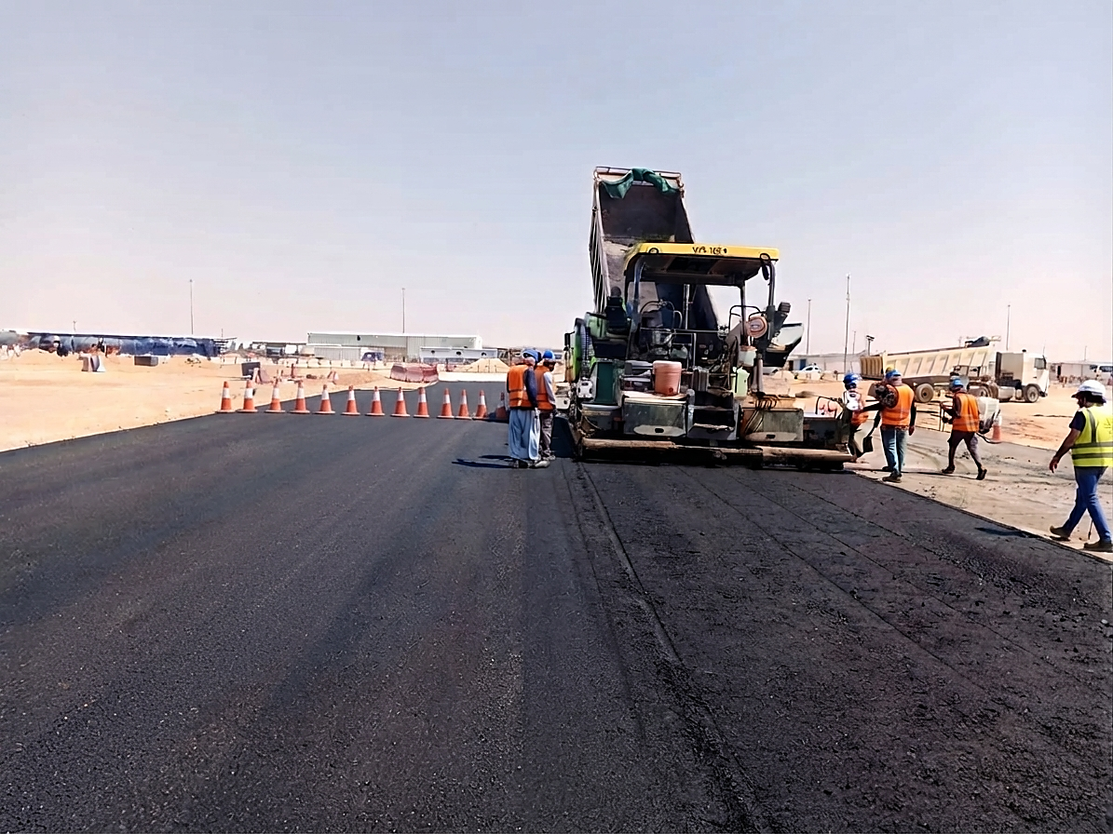
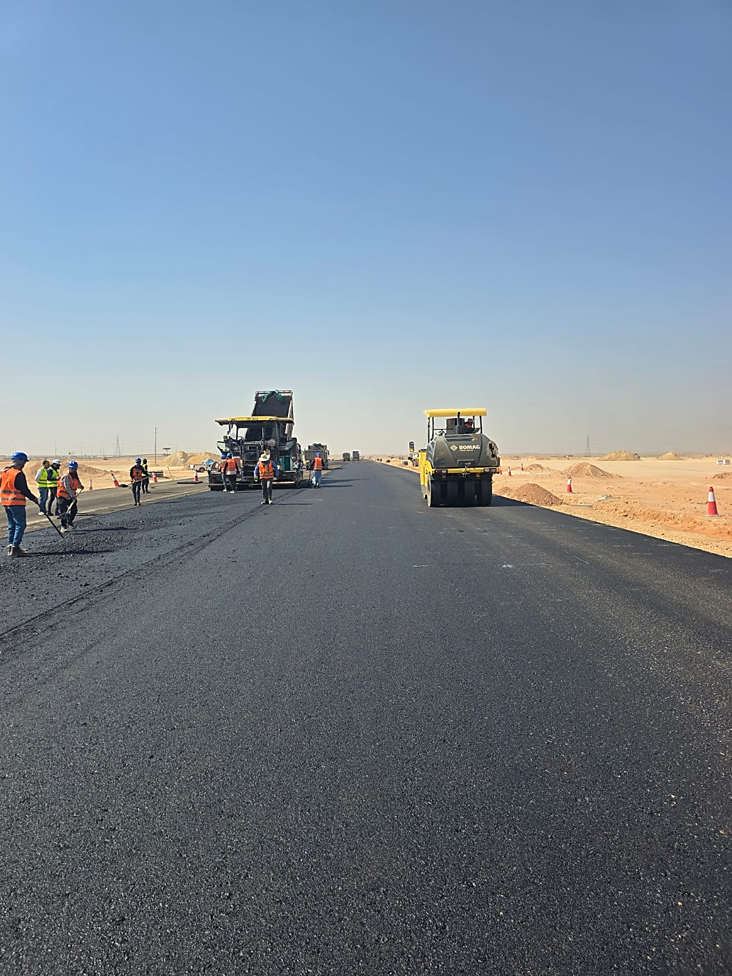
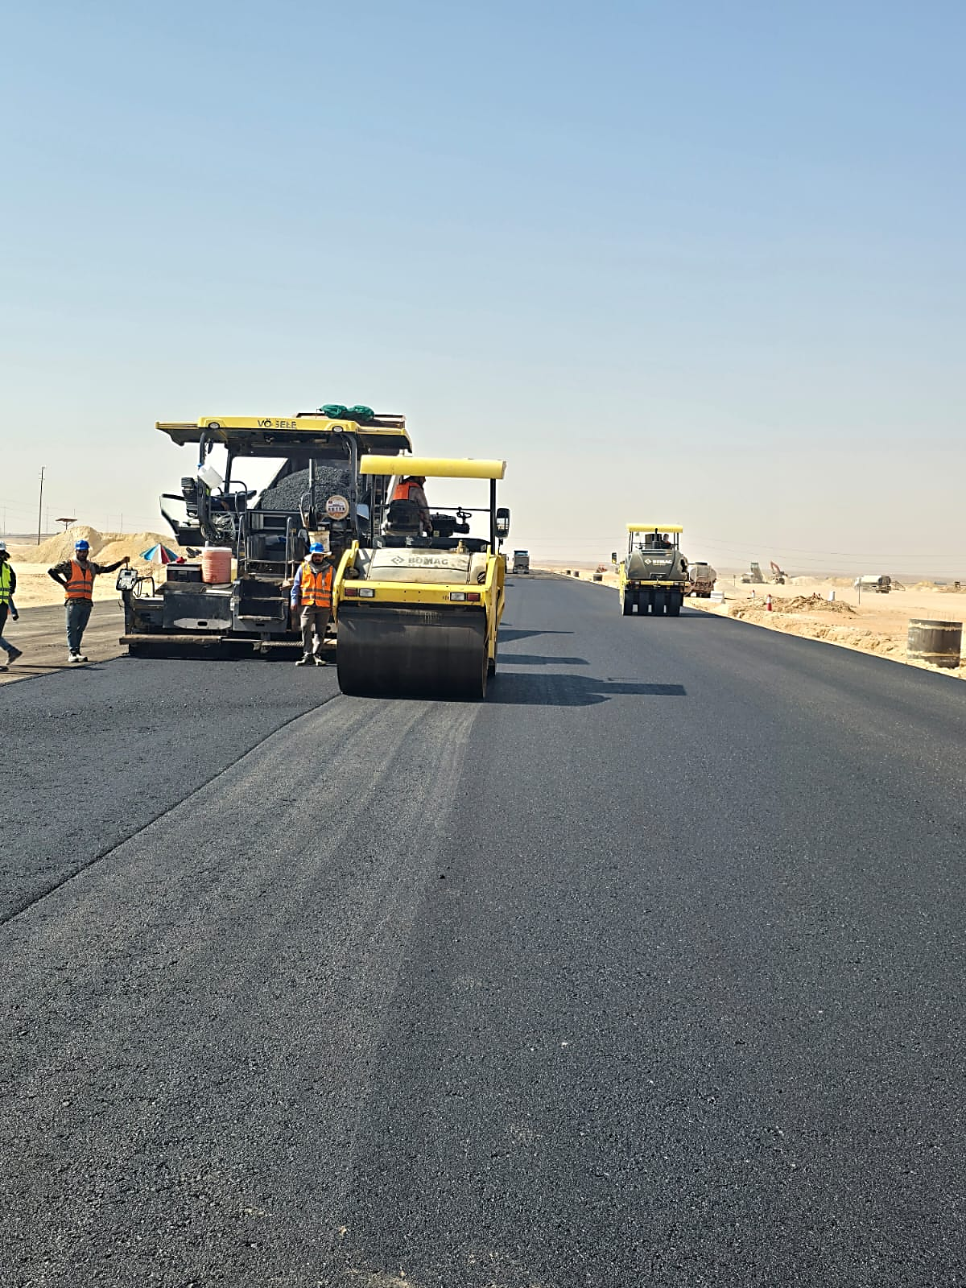
 |  |  |  |  |  |  |  |  |  |  |  |  |  |  |  | Issue No | Date Identified | Issue Description |  |  |  | Responsible | Action Taken |  |  | Mitigation |  |  |  |  | Current Status |  | Expected/Actual Closure | Duration Elapsed
 |  |  |  |  |  |  |  |  |  |  |  |  |  |  |  | #REF! | #REF! | #REF! |  |  |  | #REF! | #REF! |  |  |  |  |  |  |  | #REF! |  | #REF! | #REF!
 |  |  |  |  |  |  |  |  |  |  |  |  |  |  |  | #REF! | #REF! | #REF! |  |  |  | #REF! | #REF! |  |  |  |  |  |  |  | #REF! |  | #REF! | #REF!
 |  |  |  |  |  |  |  |  |  |  |  |  |  |  |  | #REF!
 |  |  |  |  |  |  |  |  |  |  |  |  |  |  |  | #REF! | #REF! | #REF! |  |  |  | #REF! | #REF! |  |  |  |  |  |  |  | #REF! |  | #REF! | #REF!
 |  |  |  |  |  |  |  |  |  |  |  |  |  |  |  | #REF! | #REF! | #REF! |  |  |  | #REF! | #REF! |  |  |  |  |  |  |  | #REF! |  | #REF! | #REF!

Weekly Photos
WEEKLY PROGRESS PHOTOS |  | Data Date | 28-Sep-26

Compaction for base course layer works at MC20 Zone A | Grading for base course layer works at MC20 Zone A
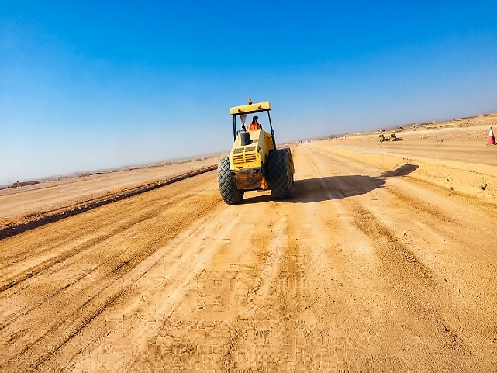 | 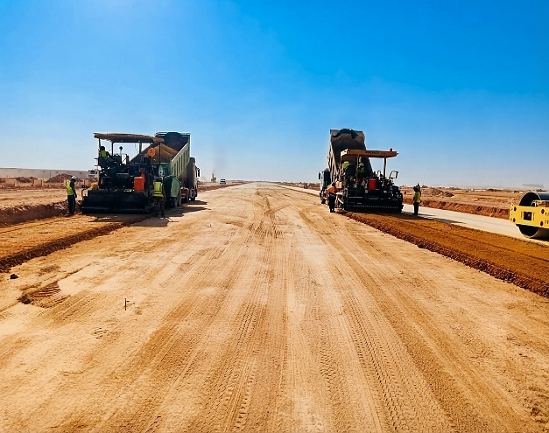

Zone G, Asphalt works at road MCE0. 1ST Layer | Zone G, Compaction for asphalt works at road MCE0. 1ST Layer
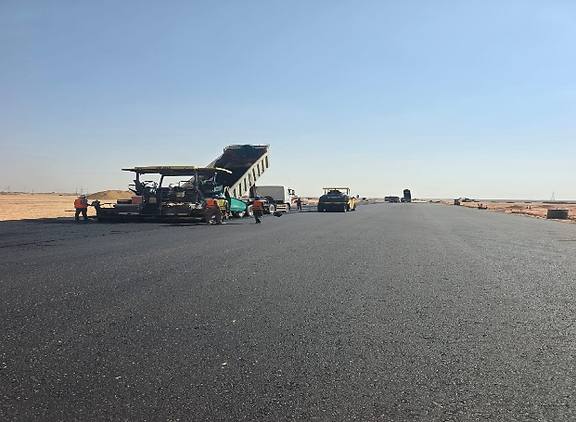 | 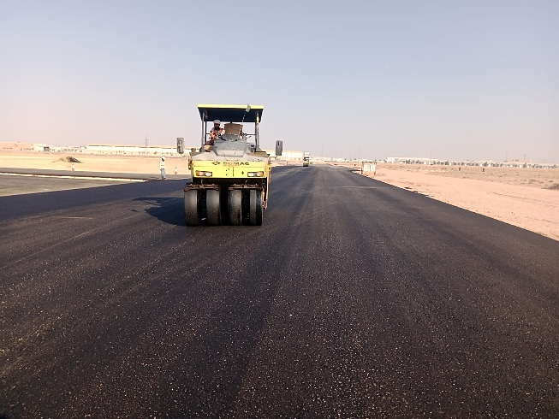

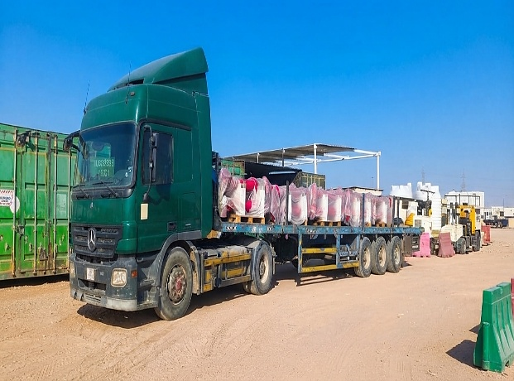
Fire hydrant 6" delivered to site store- 58 pcs | Asphalt base course cutting core works at Road MCF0, ZONE G.
 | 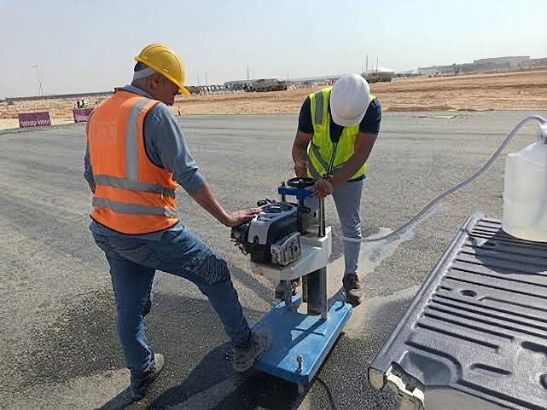

Manpower
MANUAL MANPOWER HISTOGRAM
 | Plan - Monthly | Actual - Monthly | Forecast - Monthly
Jan-26 | 99 | 32
Feb-26 | 169 | 148
Mar-26 | 75 | 199
Apr-26 | 94 | 321
May-26 | 160 | 405
Jun-26 | 267 | 400
Jul-26 | 262 | 395
Aug-26 | 287 | 377
Sep-26 | 341 | 547
Oct-26 | 327
Nov-26 | 365
Dec-26 | 279
Jan-27 | 241
Feb-27 | 215
Mar-27 | 216
Apr-27 | 103
May-27 | 123
Jun-27 | 293
Jul-27 | 13
Head-Count ( Non Manual)
MONTHS | Jan-26 | Feb-26 | Mar-26 | Apr-26 | May-26 | Jun-26 | Jul-26 | Aug-26 | Sep-26 | Oct-26 | Nov-26 | Dec-26 | Jan-27 | Feb-27 | Mar-27 | Apr-27 | May-27 | Jun-27 | Jul-27
Plan - Monthly | 0 | 25 | 24 | 26 | 29 | 30 | 28 | 32 | 24 | 28 | 26 | 22 | 18 | 21 | 20 | 19 | 21 | 18 | 15
Planned - Cumulative | 0 | 25 | 49 | 75 | 104 | 134 | 162 | 194 | 218 | 246 | 272 | 294 | 312 | 333 | 353 | 372 | 393 | 411 | 426
Actual - Monthly | 11 | 29 | 28 | 42 | 53 | 56 | 57 | 61 | 53
Actual Cumulative | 11 | 40 | 68 | 110 | 163 | 219 | 276 | 337 | 390
Forecast - Monthly
Saudi Monthly - Actual
Head-Count (Manual)
MONTHS | Jan-26 | Feb-26 | Mar-26 | Apr-26 | May-26 | Jun-26 | Jul-26 | Aug-26 | Sep-26 | Oct-26 | Nov-26 | Dec-26 | Jan-27 | Feb-27 | Mar-27 | Apr-27 | May-27 | Jun-27 | Jul-27
Plan - Monthly | 99 | 169 | 75 | 94 | 160 | 267 | 262 | 287 | 341 | 327 | 365 | 279 | 241 | 215 | 216 | 103 | 123 | 293 | 13
Planned - Cumulative | 99 | 269 | 344 | 438 | 598 | 865 | 1127 | 1413 | 1754 | 2081 | 2446 | 2726 | 2967 | 3182 | 3398 | 3501 | 3623 | 3916 | 3929
Actual - Monthly | 32 | 148 | 199 | 321 | 405 | 400 | 395 | 377 | 547
Actual Cumulative | 32 | 180 | 379 | 700 | 1105 | 1505 | 1900 | 2277 | 2824
Forecast - Monthly
Saudi - Actual

Head-Count (Non-Manual) |  |  |  |  |  |  |  |  |  |  |  |  |  |  |  |  |  |  |  |  |  |  |  |  |  | Month |  | Sep-26 | Oct-26
Planned | Actual |  | Variance |  | Forecast Next Month |  | Saudi Staff
32 | 53 |  | 21 |  | 0 |  | 4

Head-Count (Manual) |  |  |  |  |  |  |  |  |  |  | Man Power by Trade
Planned | Actual |  | Variance |  | Forecast Next Month |  | Saudi Staff |  |  |  | Key Trade |  | Engineer |  | Doc. Controller |  | Proc. Team |  | Foreman | Draftman | Driver | UnSkilled Labor | Skiled labour | Others | Total
287 | 547 |  | 260 |  | 0 |  | 2 |  |  |  | Plan |  | 15 |  | 2 |  | 3 |  | 9 | 2 | 135 | 41 | 42 | 38 | 287
 |  |  |  |  |  |  |  |  |  |  | Actual |  | 16 |  | 3 |  | 3 |  | 18 | 2 | 321 | 84 | 90 | 63 | 600

EQUIPMENT HISTOGRAM
 | Plan - Monthly | Actual - Monthly | Forecast - Monthly
Jan-26 | 0 | 0
Feb-26 | 20 | 35
Mar-26 | 44 | 111
Apr-26 | 50 | 241
May-26 | 65 | 260
Jun-26 | 228 | 320
Jul-26 | 220 | 326
Aug-26 | 205 | 225
Sep-26 | 190 | 326
Oct-26 | 150
Nov-26 | 110
Dec-26 | 80
Jan-27 | 58
Feb-27 | 19
Mar-27 | 10
Apr-27 | 5
May-27 | 11
Jun-27 | 27
Jul-27 | 1
Equipment
MONTHS | Jan-26 | Feb-26 | Mar-26 | Apr-26 | May-26 | Jun-26 | Jul-26 | Aug-26 | Sep-26 | Oct-26 | Nov-26 | Dec-26 | Jan-27 | Feb-27 | Mar-27 | Apr-27 | May-27 | Jun-27 | Jul-27
Plan - Monthly | 0 | 20 | 44 | 50 | 65 | 228 | 220 | 205 | 190 | 150 | 110 | 80 | 58 | 19 | 10 | 5 | 11 | 27 | 1
Planned - Cumulative | 0 | 20 | 64 | 114 | 179 | 407 | 627 | 832 | 1022 | 1172 | 1282 | 1363 | 1420 | 1439 | 1450 | 1455 | 1466 | 1493 | 1494
Actual - Monthly | 0 | 35 | 111 | 241 | 260 | 320 | 326 | 225 | 326
Actual Cumulative | 0 | 35 | 146 | 387 | 647 | 967 | 1293 | 1518 | 1844
Forecast - Monthly

Equipment Count
Planned | Actual |  | Idle |  | Variance |  | Forecast Next Month
195 | 326 |  | 0 |  | 131 |  | 0

Type | PICK UP/Car |  | Bus |  | Dump Truck |  | Boom Truck |  | Generator + Tower Light |  | JCB |  | Water Tank |  | CRANE |  | Showel |  | Tyre ROLLER | Excavator/Poclain | Lowbed Trailer | Forklift | BOBCAT | Bulldozer | Diesel Tank | Dyna | Grader | Total
Plan | 7 |  | 4 |  | 70 |  | 2 |  | 4 |  | 3 |  | 13 |  | 2 |  | 15 |  | 15 | 19 | 1 | 1 | 2 | 15 | 4 | 1 | 17 | 195
Actual | 12 |  | 6 |  | 158 |  | 5 |  | 5 |  | 9 |  | 15 |  | 1 |  | 20 |  | 20 | 20 | 1 | 3 | 6 | 20 | 3 | 2 | 20 | 326
Idle

